GE3 2023 F3
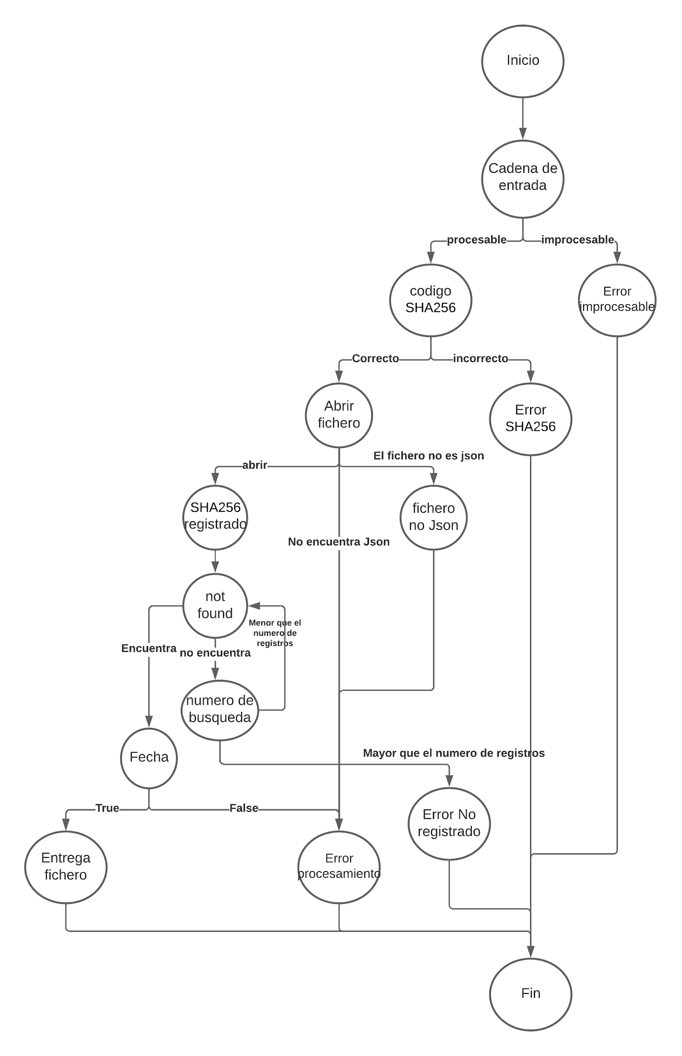
# | PATH | ID TEST | DESCRIPTION | EXPECTED RESULT | OBSERVATIONS
1 | 1_2_3_5_7_9_10_11_12_15 | sp_01 | La funcion devuelve True y se envia el fichero | Todo bien
2 | 1_2_3_5_7_9_10_14_15 | sp_02 | El código de seguimiento no estaba registrado. | Tracking Code not Registered
3 | 1_2_3_5_13_15 |  | No se encuentra el fichero JSON | FileNotFound
4 | 1_2_3_5_8_13_15 |  | El fichero no tiene extensión JSON | JSON Decode Error - Wrong JSON Format
5 | 1_2_3_6_15 |  | Código SHA-256 incorrecto (formato no corresponde) | Tracking number is invalid
6 | 1_2_4_15 |  | Cadena de estrada no procesable (no str..) | Tracking code cannot be procesed
7 | 1_2_3_5_7_9_10_11_13_15 |  | Fecha incorrecta | Fecha no corresponde a la fecha de entrga

 | V(G)= E-V+2=20-15+2=7

